_
Continent | Country | Capital | Population | Currency Code | Leader(s)[1] | Flash Fill | Custom List
Africa |  |  | 15178979 | USD |  | President | Green
Africa |  |  | 40533330 | SDD | Nasredeen Abdulbari (Minister) | Minister | Blue
Africa |  |  | 5260750 | XAF |  | Prime minister | Yellow
Africa |  |  | 60142978 | ZAR |  | Chief justice | Orange
Asia |  |  | 1407563842 | INR |  | President | Green
Asia |  |  | 21444000 | LKR |  | President | Blue
Asia |  |  | 51744876 | KRW |  | Prime minister | Yellow
Asia |  |  | 1412360000 | CNY |  | Premier | Orange
Asia |  |  | 86758304 | IRR |  | President | Green
Asia |  |  | 43533592 | IQD |  | Chief justice | Blue
Asia |  |  | 125681593 | JPY |  | Prime minister | Yellow
Asia |  |  | 84775404 | TRL |  | Chief justice | Orange
North America |  |  | 331893745 | USD |  | Chief justice | Green
North America |  |  | 38246108 | CAD |  | Prime minister | Blue
 |  | Total Rows | 14

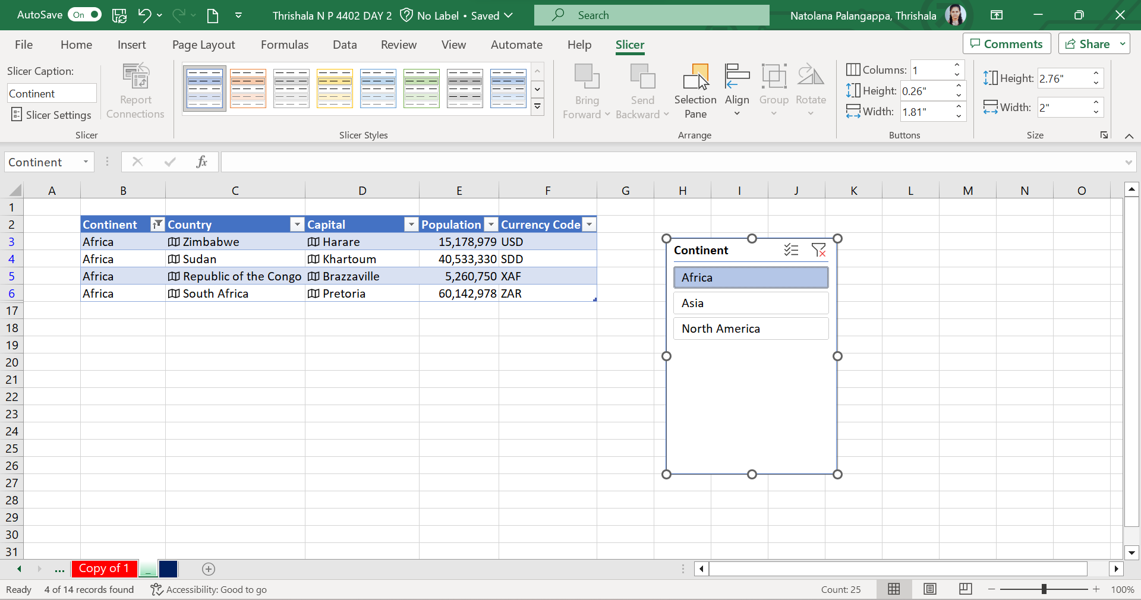
Slicer

